BA
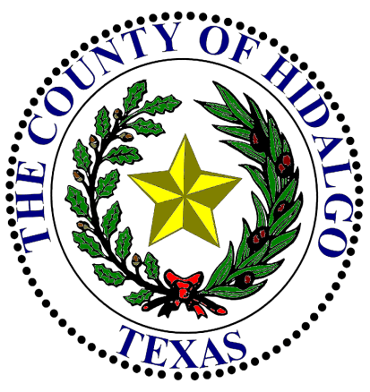
DATE: |  | 2014-10-23 |  |  |  |  | 2014

DEPARTMENT HEAD: |  |  |  | Commissioner Joseph Palacios |  |  | Appropriation

DEPARTMENT NAME: |  |  |  | Pct. #4 Rd. Maint. |  |  | AI- 47024

ACCOUNT NUMBER: |  |  |  | 4-1200-431-00-124-007-0-890

Contact Person: |  |  | Veronica Davis |  | Ph#: | (956) 383-3112 Ext. 4019

 | SUBJECT: |  | Budget Amendments (increase (decrease)) in accordance with Local Government Code, Chapter 111, § 111.070, Item C (2).

Honorable Commissioners' Court of Hidalgo County:

I would like to request the following Budget Amendments (increase (decrease)) in accordance with Local Government Code, Chapter 111, § 111.070, Item C (2).

INCREASE ACCOUNT |  |  |  |  |  | ACCOUNT (OBJECT)
NUMBER(S) |  |  |  |  |  | NAME |  | AMOUNT

4-1200-431-00-124-007-0-890 |  |  |  |  |  | PCT4 Rd Maint- Other |  | $150,006.81

4-1200-341-50-124-004-0-000 |  |  |  |  |  | R&B Pct. 4- DD#1 Faysville Drain Proj. |  | $150,006.81

 |  |  |  |  |  |  | TOTAL BUDGET INCREASE (DECREASE) | $150,006.81

REASON: |  |  | Appropriation of funds for Pct 4 Faysville Drain project (PP3 - PP12).

DEPARTMENT HEAD SIGNATURE

 |  |  |  |  |  | / /
APPROVED COMMISSIONERS' COURT |  |  |  |  |  | DATE |  | ATTEST COUNTY CLERK

