Tax Notes 2014
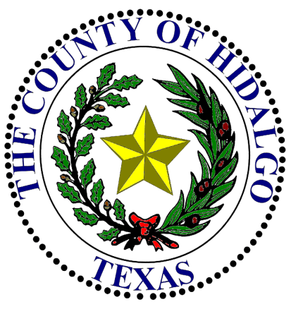
DATE: |  | 2018-08-17 |  |  |  |  | 2018

DEPARTMENT HEAD: |  |  |  | Ricardo Rodriguez, Jr., District Attorney |  |  | Appropriation
 |  |  |  |  |  |  | REVISED ON 08/28/18
DEPARTMENT NAME: |  |  |  | District Attorney's Office - DDA FED SHRG-USDJ

ACCOUNT NUMBER: |  |  |  | 8-1256-412-00-080-014-0-XXX

Contact Person: |  |  | Sylvia Solis |  | Ph#: | (956) 318-2300 ext. 8084

 | SUBJECT: |  | Budget Amendments (increase (decrease)) in accordance with Local Government Code, Chapter 111, § 111.070, Item C (2).

Honorable Commissioners' Court of Hidalgo County:

I would like to request the following Budget Amendments (increase (decrease)) in accordance with Local Government Code, Chapter 111, § 111.070, Item C (2).

INCREASE ACCOUNT |  |  |  |  |  | ACCOUNT (OBJECT)
NUMBER(S) |  |  |  |  |  | NAME |  | AMOUNT
8-1256-412-00-080-014-0-752 |  |  |  |  |  | DDA FED SHRG-USDJ - | VEHICLES | 100,000.00

 |  |  |  |  |  |  | TOTAL BUDGET INCREASE (DECREASE) | 100,000.00

REASON: |  |  | Appropriation to fund the purchase of five new vehicles.

DEPARTMENT HEAD SIGNATURE

 |  |  |  |  |  | / /
APPROVED COMMISSIONERS' COURT |  |  |  |  |  | DATE |  | ATTEST COUNTY CLERK

